Table 1

Selected Acquisition Report (SAR)
RCS: DD-A&T(Q&A)823-376
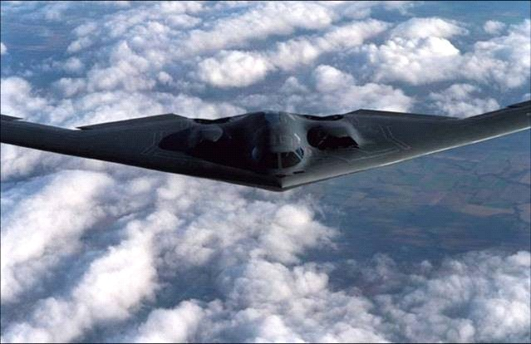
B-2 RMP
As of September 30, 2011
Defense Acquisition Management Information Retrieval
(DAMIR)

Table 21
Unit Cost History
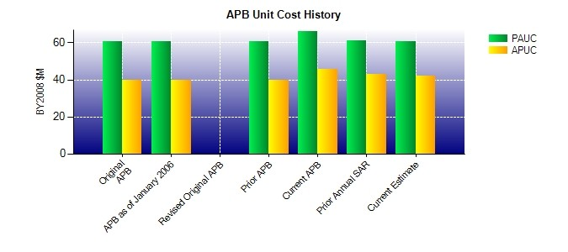
SAR Unit Cost History
Initial SAR Baseline to Current SAR Baseline (TY $M)
 |  |  |  |  |  |  |  |  |  |  | BY2008 $M |  |  |  |  |  |  | TY $M
 |  |  |  |  | Date |  |  |  |  |  | PAUC |  |  | APUC |  |  |  | PAUC |  |  | APUC
Original APB |  |  |  |  | AUG 2004 |  |  |  |  |  | 60.657 |  |  | 39.929 |  |  |  | 58.095 |  |  | 39.150
APB as of January 2006 |  |  |  |  | AUG 2004 |  |  |  |  |  | 60.657 |  |  | 39.929 |  |  |  | 58.095 |  |  | 39.150
Revised Original APB |  |  |  |  | N/A |  |  |  |  |  | N/A |  |  | N/A |  |  |  | N/A |  |  | N/A
Prior APB |  |  |  |  | AUG 2004 |  |  |  |  |  | 60.657 |  |  | 39.929 |  |  |  | 58.095 |  |  | 39.150
Current APB |  |  |  |  | JAN 2009 |  |  |  |  |  | 66.225 |  |  | 45.662 |  |  |  | 67.420 |  |  | 48.408
Prior Annual SAR |  |  |  |  | DEC 2010 |  |  |  |  |  | 61.065 |  |  | 42.723 |  |  |  | 61.255 |  |  | 44.431
Current Estimate |  |  |  |  | SEP 2011 |  |  |  |  |  | 60.590 |  |  | 41.923 |  |  |  | 60.760 |  |  | 43.592
Initial PAUC Dev Est | Changes |  |  |  |  |  |  |  |  |  |  |  |  |  |  |  |  |  |  | PAUC Prod Est
 | Econ |  | Qty |  |  | Sch |  | Eng |  | Est |  |  | Oth |  |  | Spt |  | Total
58.095 1.795 1.040 5.845 2.110 -5.515 0.000 -0.080 5.195 67.420
Current SAR Baseline to Current Estimate (TY $M)
PAUC Prod Est |  | Changes |  |  |  |  |  |  |  |  |  |  |  |  |  |  |  |  | PAUC Current Est
 |  | Econ |  | Qty |  |  | Sch |  | Eng | Est |  | Oth |  |  | Spt |  | Total
67.420 -0.795 0.000 0.000 0.000 -1.930 0.000 -3.935 -6.660 60.760

